Sales - EU - Pivot
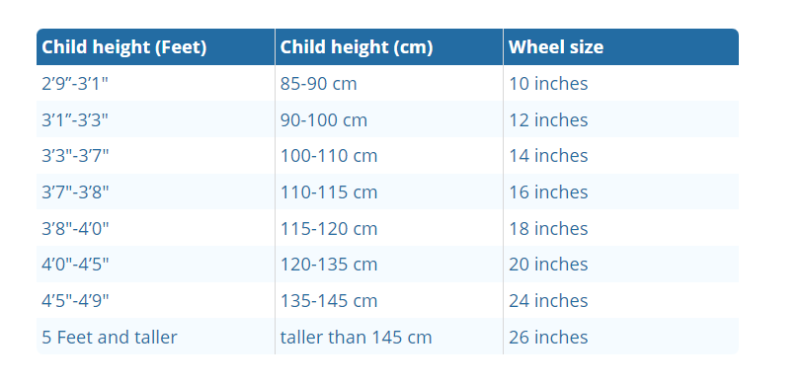

Row Labels | Sum of SalesAmount |  |  |  |  |  |  |  | Mnt Bike - Clus 2 3 6
2016 | 4099.0882 |  |  |  |  |  |  |  | 200 38 |  |  | Clus 6 mua touring bike và mountain bike nhiều nhất so với các clus khác
Dec | 4099.0882 |  |  |  |  |  |  |  | 200 42 |  |  | Mountain bike và Road bike cho Clus 2 và 3, not Touring bike
2017 | 1481936.7088 |  |  |  |  |  |  |  | 200 46
Jan | 119912.9028 |  |  |  |  |  |  |  | 200 38
Feb | 102567.371 |  |  |  |  |  |  |  | 200 42
Mar | 125613.4674 |  |  |  |  |  |  |  | 200 46
Apr | 102745.651
May | 110740.5474
Jun | 144268.1738
Jul | 113619.7192
Aug | 136640.8156
Sep | 131436.0692
 | Road-150 | Road-250 | Road-350-W | Road-550-W | Road-650 | Road-750
Jan | 100191.56 |  |  |  | 2796.3928
Feb | 78721.94 |  |  |  | 3495.491
Mar | 103769.83 |  |  |  | 4893.6874
Apr | 82300.21 |  |  |  | 3495.491
May | 78721.94 |  |  |  | 4893.6874
Jun | 110926.37 |  |  |  | 6291.8838
Jul | 82300.21 |  |  |  | 4194.5892
Aug | 107348.1 |  |  |  | 5592.7856
Sep | 100191.56 |  |  |  | 4194.5892
Oct | 96613.29 |  |  |  | 6291.8838
Nov | 110926.37 |  |  |  | 6291.8838
Dec | 78721.94 | 4363.125 |  | 2000.875 | 7857.8638
Jan |  | 85517.25 |  | 7003.0625 | 7046.91
Feb |  | 80281.5 |  | 11004.8125 | 7829.9
Mar |  | 84382.8375 |  | 8003.5 | 11744.85
Apr |  | 80019.7125 |  | 8003.5 | 9395.88
May |  | 78099.9375 |  | 6002.625 | 12527.84
Jun |  | 104889.525 |  | 17007.4375 | 14876.81
Jul |  | 75394.8 |  | 10004.375 | 9395.88
Aug |  | 99566.5125 |  | 12005.25 | 14876.81
Sep |  | 115361.025 |  | 9003.9375 | 12527.84
Oct |  | 89880.375 |  | 16007 | 18791.76
Nov |  | 78448.9875 |  | 23010.0625 | 20357.74
Dec |  | 103929.6375 | 3401.98 | 15246.6675 | 12527.84 | 2159.96
Jan |  | 114837.45 | 18710.89 | 17927.84 |  | 10799.8
Feb |  | 43980.3 | 25514.85 | 25771.27 |  | 14579.73
Mar |  | 43980.3 | 28916.83 | 21289.31 |  | 19439.64
Apr |  | 46423.65 | 22112.87 | 17927.84 |  | 15659.71
May |  | 43980.3 | 47627.72 | 21289.31 |  | 18899.65
Jun |  | 41536.95 | 52730.69 | 38096.66 |  | 26999.5
Jul |  | 46423.65 | 44225.74 | 25771.27 |  | 15119.72
Aug |  | 43980.3 | 66338.61 | 26891.76 |  | 19979.63
Sep |  | 36650.25 | 42524.75 | 24650.78 |  | 25379.53
Oct |  | 41536.95 | 61235.64 | 39217.15 |  | 28079.48
Nov |  | 39093.6 | 68039.6 | 47060.58 |  | 28619.47
Dec |  | 29320.2 | 73142.57 | 38096.66 |  | 26459.51
Oct | 130005.0938
Nov | 144318.1738
Dec | 120068.7238
2018 | 1968068.8364
Jan | 124245.6865
Feb | 132013.3907
Mar | 141238.1691
Apr | 126262.7171
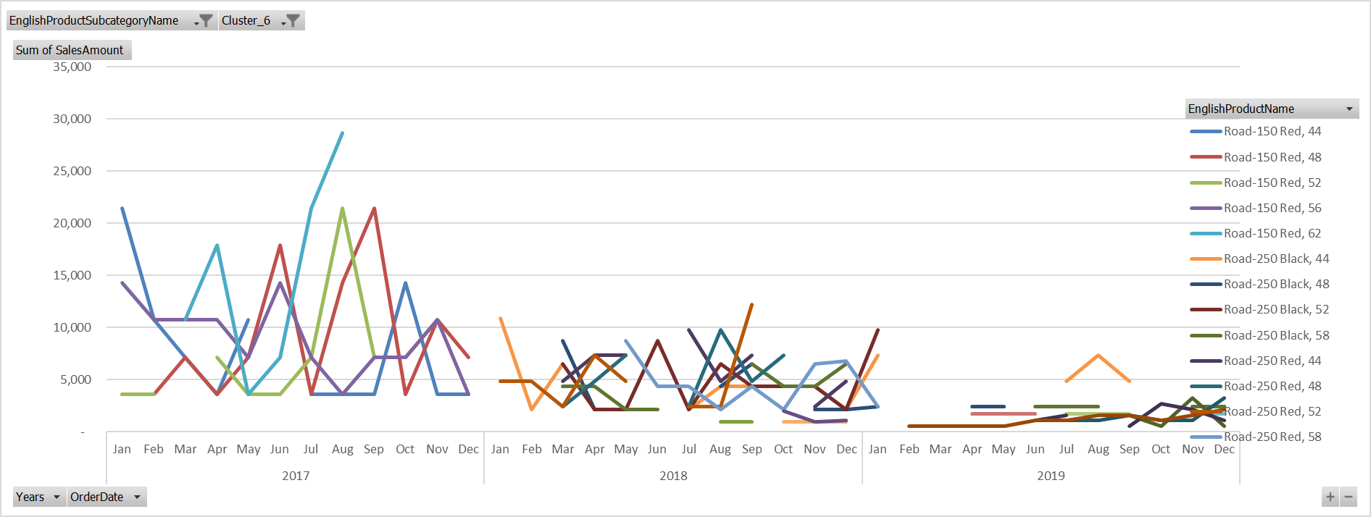
May | 131665.9645 |  |  |  |  |  |  |  | 250 rất phổ biến ở Clus 2 3 6
Jun | 200608.3163 |  |  |  |  |  |  |  | 150 ở 2 và 6
Jul | 136022.5544 |  |  |  |  |  |  |  | 750 ở 4 & 5 | Gía mềm
Aug | 186184.9199
Sep | 186272.0519 |  |  |  |  |  |  |  |  |  |  |  | Road 250 không work cho Clus 6
Oct | 178201.2236 |  |  |  |  |  |  |  |  |  |  |  | 2017 sales 150 rất nhộn nhịp,
Nov | 183557.5928 |  |  |  |  |  |  |  |  |  |  |  | but sau khi chuyển thì sales giảm hẳn
Dec | 241796.2496 |  |  |  |  |  |  |  | Touring bike
2019 | 5190828.09 |  |  |  |  |  |  |  | Bán tốt clus 6, các dòng 1000 |  |  |  | Same for clus 2
Jan | 313576.75 |  |  |  |  |  |  |  | là high end của touring
Feb | 256707.13
Mar | 338847.08
Apr | 309319.95
May | 395583.7
Jun | 541336.86 |  |  |  |  |  |  |  |  |  | 2.54
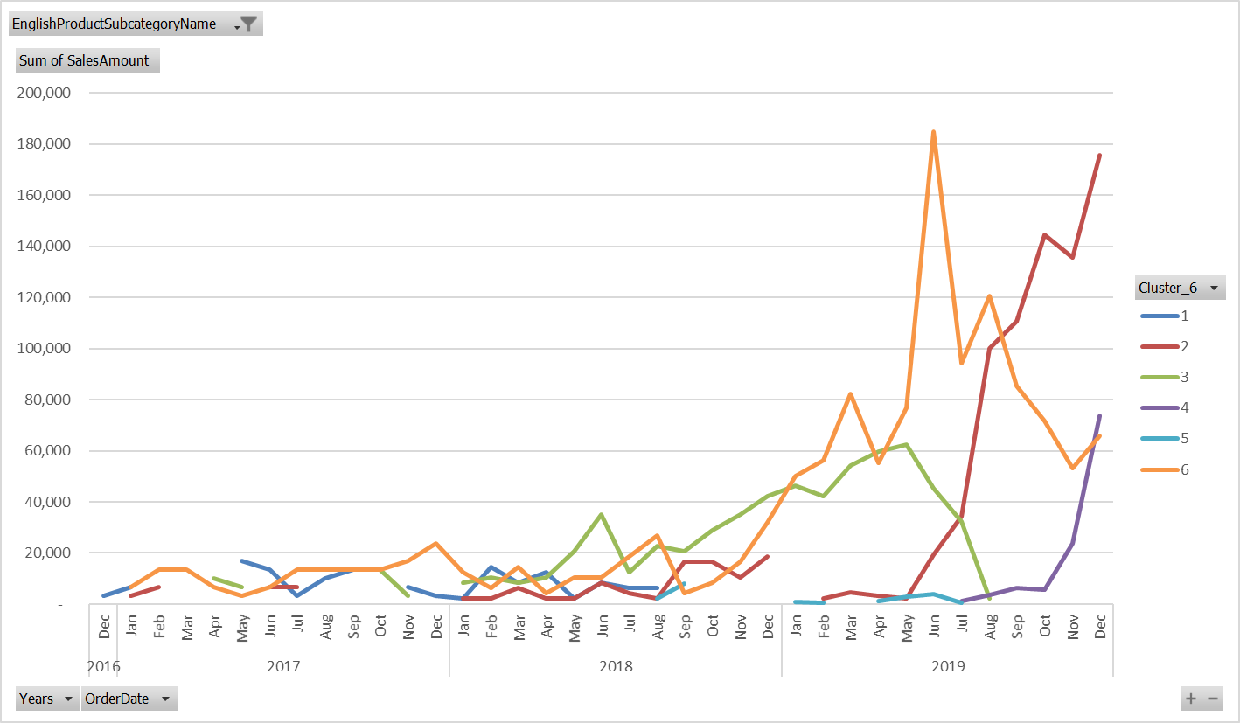
Jul | 406308.11
Aug | 500861.65
Sep | 464426.23
Oct | 521571.04
Nov | 525378 |  |  |  |  |  |  |  | Grow của Mnt Bike vào năm 2018 được pushed bởi Clus 3 và 6, 2019 là bởi 6 và 2
Dec | 616911.59 |  |  |  |  |  |  |  | Và nó đến từ Mnt 200 (trend giống trend tổng)
Grand Total | 8644932.7234

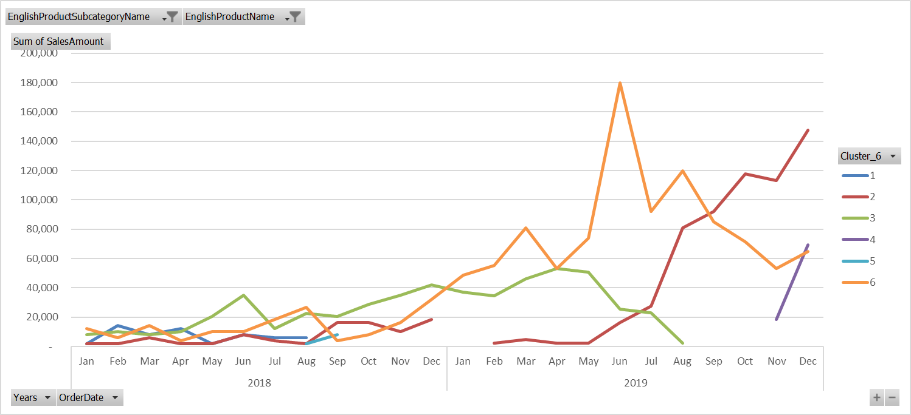
 | Road-150 | Road-250 | Road-350-W | Road-550-W | Road-650 | Road-750
Jan-17 | 100191.56 |  |  |  | 2796.3928
Feb-17 | 78721.94 |  |  |  | 3495.491
Mar-17 | 103769.83 |  |  |  | 4893.6874
Apr-17 | 82300.21 |  |  |  | 3495.491
May-17 | 78721.94 |  |  |  | 4893.6874
Jun-17 | 110926.37 |  |  |  | 6291.8838
Jul-17 | 82300.21 |  |  |  | 4194.5892
Aug-17 | 107348.1 |  |  |  | 5592.7856
Sep-17 | 100191.56 |  |  |  | 4194.5892
Oct-17 | 96613.29 |  |  |  | 6291.8838
Nov-17 | 110926.37 |  |  |  | 6291.8838
Dec-17 | 78721.94 | 4363.125 |  | 2000.875 | 7857.8638
Jan-18 |  | 85517.25 |  | 7003.0625 | 7046.91
Feb-18 |  | 80281.5 |  | 11004.8125 | 7829.9
Mar-18 |  | 84382.8375 |  | 8003.5 | 11744.85
Apr-18 |  | 80019.7125 |  | 8003.5 | 9395.88
May-18 |  | 78099.9375 |  | 6002.625 | 12527.84
Jun-18 |  | 104889.525 |  | 17007.4375 | 14876.81
Jul-18 |  | 75394.8 |  | 10004.375 | 9395.88
Aug-18 |  | 99566.5125 |  | 12005.25 | 14876.81
Sep-18 |  | 115361.025 |  | 9003.9375 | 12527.84
Oct-18 |  | 89880.375 |  | 16007 | 18791.76
Nov-18 |  | 78448.9875 |  | 23010.0625 | 20357.74
Dec-18 |  | 103929.6375 | 3401.98 | 15246.6675 | 12527.84 | 2159.96
Jan-19 |  | 114837.45 | 18710.89 | 17927.84 |  | 10799.8
Feb-19 |  | 43980.3 | 25514.85 | 25771.27 |  | 14579.73
Mar-19 |  | 43980.3 | 28916.83 | 21289.31 |  | 19439.64
Apr-19 |  | 46423.65 | 22112.87 | 17927.84 |  | 15659.71
May-19 |  | 43980.3 | 47627.72 | 21289.31 |  | 18899.65
Jun-19 |  | 41536.95 | 52730.69 | 38096.66 |  | 26999.5
Jul-19 |  | 46423.65 | 44225.74 | 25771.27 |  | 15119.72
Aug-19 |  | 43980.3 | 66338.61 | 26891.76 |  | 19979.63
Sep-19 |  | 36650.25 | 42524.75 | 24650.78 |  | 25379.53
Oct-19 |  | 41536.95 | 61235.64 | 39217.15 |  | 28079.48
Nov-19 |  | 39093.6 | 68039.6 | 47060.58 |  | 28619.47
Dec-19 |  | 29320.2 | 73142.57 | 38096.66 |  | 26459.51
 |  | Row Labels | Road-150 | Road-250 | Road-350-W | Road-550-W | Road-650 | Road-750
 |  | Jan-17 | 100191.56 |  |  |  | 2796.3928
 |  | Feb-17 | 78721.94 |  |  |  | 3495.491
 |  | Mar-17 | 103769.83 |  |  |  | 4893.6874
 |  | Apr-17 | 82300.21 |  |  |  | 3495.491
 |  | May-17 | 78721.94 |  |  |  | 4893.6874
 |  | Jun-17 | 110926.37 |  |  |  | 6291.8838
 |  | Jul-17 | 82300.21 |  |  |  | 4194.5892
 |  | Aug-17 | 107348.1 |  |  |  | 5592.7856
 |  | Sep-17 | 100191.56 |  |  |  | 4194.5892
 |  | Oct-17 | 96613.29 |  |  |  | 6291.8838
 |  | Nov-17 | 110926.37 |  |  |  | 6291.8838
 |  | Dec-17 | 78721.94 | 4363.125 |  | 2000.875 | 7857.8638
 |  | Jan-18 |  | 85517.25 |  | 7003.0625 | 7046.91
 |  | Feb-18 |  | 80281.5 |  | 11004.8125 | 7829.9
 |  | Mar-18 |  | 84382.8375 |  | 8003.5 | 11744.85
 |  | Apr-18 |  | 80019.7125 |  | 8003.5 | 9395.88
 |  | May-18 |  | 78099.9375 |  | 6002.625 | 12527.84
 |  | Jun-18 |  | 104889.525 |  | 17007.4375 | 14876.81
 |  | Jul-18 |  | 75394.8 |  | 10004.375 | 9395.88
 |  | Aug-18 |  | 99566.5125 |  | 12005.25 | 14876.81
 |  | Sep-18 |  | 115361.025 |  | 9003.9375 | 12527.84
 |  | Oct-18 |  | 89880.375 |  | 16007 | 18791.76
 |  | Nov-18 |  | 78448.9875 |  | 23010.0625 | 20357.74
 |  | Dec-18 |  | 103929.6375 | 3401.98 | 15246.6675 | 12527.84 | 2159.96
 |  | Jan-19 |  | 114837.45 | 18710.89 | 17927.84 |  | 10799.8
 |  | Feb-19 |  | 43980.3 | 25514.85 | 25771.27 |  | 14579.73
 |  | Mar-19 |  | 43980.3 | 28916.83 | 21289.31 |  | 19439.64
 |  | Apr-19 |  | 46423.65 | 22112.87 | 17927.84 |  | 15659.71
 |  | May-19 |  | 43980.3 | 47627.72 | 21289.31 |  | 18899.65
 |  | Jun-19 |  | 41536.95 | 52730.69 | 38096.66 |  | 26999.5
 |  | Jul-19 |  | 46423.65 | 44225.74 | 25771.27 |  | 15119.72
 |  | Aug-19 |  | 43980.3 | 66338.61 | 26891.76 |  | 19979.63
 |  | Sep-19 |  | 36650.25 | 42524.75 | 24650.78 |  | 25379.53
 |  | Oct-19 |  | 41536.95 | 61235.64 | 39217.15 |  | 28079.48
 |  | Nov-19 |  | 39093.6 | 68039.6 | 47060.58 |  | 28619.47
 |  | Dec-19 |  | 29320.2 | 73142.57 | 38096.66 |  | 26459.51

Sheet11
EnglishProductSubcategoryName | Road Bikes

 | Road-150 | Road-250 | Road-350-W | Road-550-W | Road-650 | Road-750
Jan | 100191.56 |  |  |  | 2796.3928
Feb | 78721.94 |  |  |  | 3495.491
Mar | 103769.83 |  |  |  | 4893.6874
Apr | 82300.21 |  |  |  | 3495.491
May | 78721.94 |  |  |  | 4893.6874
Jun | 110926.37 |  |  |  | 6291.8838
Jul | 82300.21 |  |  |  | 4194.5892
Aug | 107348.1 |  |  |  | 5592.7856
Sep | 100191.56 |  |  |  | 4194.5892
Oct | 96613.29 |  |  |  | 6291.8838
Nov | 110926.37 |  |  |  | 6291.8838
Dec | 78721.94 | 4363.125 |  | 2000.875 | 7857.8638
Jan |  | 85517.25 |  | 7003.0625 | 7046.91
Feb |  | 80281.5 |  | 11004.8125 | 7829.9
Mar |  | 84382.8375 |  | 8003.5 | 11744.85
Apr |  | 80019.7125 |  | 8003.5 | 9395.88
May |  | 78099.9375 |  | 6002.625 | 12527.84
Jun |  | 104889.525 |  | 17007.4375 | 14876.81
Jul |  | 75394.8 |  | 10004.375 | 9395.88
Aug |  | 99566.5125 |  | 12005.25 | 14876.81
Sep |  | 115361.025 |  | 9003.9375 | 12527.84
Oct |  | 89880.375 |  | 16007 | 18791.76
Nov |  | 78448.9875 |  | 23010.0625 | 20357.74
Dec |  | 103929.6375 | 3401.98 | 15246.6675 | 12527.84 | 2159.96
Jan |  | 114837.45 | 18710.89 | 17927.84 |  | 10799.8
Feb |  | 43980.3 | 25514.85 | 25771.27 |  | 14579.73
Mar |  | 43980.3 | 28916.83 | 21289.31 |  | 19439.64
Apr |  | 46423.65 | 22112.87 | 17927.84 |  | 15659.71
May |  | 43980.3 | 47627.72 | 21289.31 |  | 18899.65
Jun |  | 41536.95 | 52730.69 | 38096.66 |  | 26999.5
Jul |  | 46423.65 | 44225.74 | 25771.27 |  | 15119.72
Aug |  | 43980.3 | 66338.61 | 26891.76 |  | 19979.63
Sep |  | 36650.25 | 42524.75 | 24650.78 |  | 25379.53
Oct |  | 41536.95 | 61235.64 | 39217.15 |  | 28079.48
Nov |  | 39093.6 | 68039.6 | 47060.58 |  | 28619.47
Dec |  | 29320.2 | 73142.57 | 38096.66 |  | 26459.51
Sum of SalesAmount | Column Labels
Row Labels | Road-150 | Road-250 | Road-350-W | Road-550-W | Road-650 | Road-750 | Grand Total
2017 | 1130733.32 | 4363.125 |  | 2000.875 | 60290.2288 |  | 1197387.5488
Jan | 100191.56 |  |  |  | 2796.3928 |  | 102987.9528
Feb | 78721.94 |  |  |  | 3495.491 |  | 82217.431
Mar | 103769.83 |  |  |  | 4893.6874 |  | 108663.5174
Apr | 82300.21 |  |  |  | 3495.491 |  | 85795.701
May | 78721.94 |  |  |  | 4893.6874 |  | 83615.6274
Jun | 110926.37 |  |  |  | 6291.8838 |  | 117218.2538
Jul | 82300.21 |  |  |  | 4194.5892 |  | 86494.7992
Aug | 107348.1 |  |  |  | 5592.7856 |  | 112940.8856
Sep | 100191.56 |  |  |  | 4194.5892 |  | 104386.1492
Oct | 96613.29 |  |  |  | 6291.8838 |  | 102905.1738
Nov | 110926.37 |  |  |  | 6291.8838 |  | 117218.2538
Dec | 78721.94 | 4363.125 |  | 2000.875 | 7857.8638 |  | 92943.8038
2018 |  | 1075772.1 | 3401.98 | 142302.23 | 151900.06 | 2159.96 | 1375536.33
Jan |  | 85517.25 |  | 7003.0625 | 7046.91 |  | 99567.2225
Feb |  | 80281.5 |  | 11004.8125 | 7829.9 |  | 99116.2125
Mar |  | 84382.8375 |  | 8003.5 | 11744.85 |  | 104131.1875
Apr |  | 80019.7125 |  | 8003.5 | 9395.88 |  | 97419.0925
May |  | 78099.9375 |  | 6002.625 | 12527.84 |  | 96630.4025
Jun |  | 104889.525 |  | 17007.4375 | 14876.81 |  | 136773.7725 |  |  |  |  |  |  |  |  | Trước 2019 sales của children và adult intertwine
Jul |  | 75394.8 |  | 10004.375 | 9395.88 |  | 94795.055
Aug |  | 99566.5125 |  | 12005.25 | 14876.81 |  | 126448.5725
Sep |  | 115361.025 |  | 9003.9375 | 12527.84 |  | 136892.8025 |  |  |  |  |  |  |  |  | 4 và 5 là mua chủ yếu vì children
Oct |  | 89880.375 |  | 16007 | 18791.76 |  | 124679.135 |  |  |  |  |  |  |  |  | Clus 2 3 5 mua cho children tăng mạnh vào 2019
Nov |  | 78448.9875 |  | 23010.0625 | 20357.74 |  | 121816.79 |  |  |  |  |  |  |  |  | Clus 2 từ tháng 7 năm 19 cũng thế
Dec |  | 103929.6375 | 3401.98 | 15246.6675 | 12527.84 | 2159.96 | 137266.085
2019 |  | 571743.9 | 551120.76 | 343990.43 |  | 250015.37 | 1716870.46
Jan |  | 114837.45 | 18710.89 | 17927.84 |  | 10799.8 | 162275.98 |  |  |  |  |  |  |  |  | Clus 6 thì sales children và adult intertwine
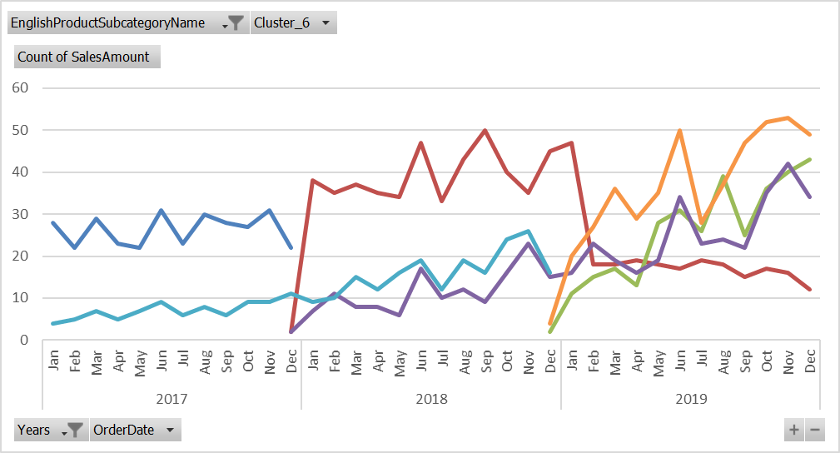
Feb |  | 43980.3 | 25514.85 | 25771.27 |  | 14579.73 | 109846.15
Mar |  | 43980.3 | 28916.83 | 21289.31 |  | 19439.64 | 113626.08
Apr |  | 46423.65 | 22112.87 | 17927.84 |  | 15659.71 | 102124.07
May |  | 43980.3 | 47627.72 | 21289.31 |  | 18899.65 | 131796.98
Jun |  | 41536.95 | 52730.69 | 38096.66 |  | 26999.5 | 159363.8
Jul |  | 46423.65 | 44225.74 | 25771.27 |  | 15119.72 | 131540.38
Aug |  | 43980.3 | 66338.61 | 26891.76 |  | 19979.63 | 157190.3
Sep |  | 36650.25 | 42524.75 | 24650.78 |  | 25379.53 | 129205.31
Oct |  | 41536.95 | 61235.64 | 39217.15 |  | 28079.48 | 170069.22
Nov |  | 39093.6 | 68039.6 | 47060.58 |  | 28619.47 | 182813.25 |  |  |  |  |  |  |  | Số lượng bán
Dec |  | 29320.2 | 73142.57 | 38096.66 |  | 26459.51 | 167018.94
Grand Total | 1130733.32 | 1651879.125 | 554522.74 | 488293.535 | 212190.2888 | 252175.33 | 4289794.3388

 |  |  |  |  |  |  |  | Row Labels | Road-150 | Road-250 | Road-350-W | Road-550-W | Road-650 | Road-750
 |  |  |  |  |  |  |  | 2 | 558210.12 | 493818.4875 | 119069.3 | 114850.225 | 109087.2846 | 1619.97
 |  |  |  |  |  |  |  | 3 | 78721.94 | 452019.75 | 178603.95 | 102324.7475 | 90547.2004 | 14039.74
 |  |  |  |  |  |  |  | 4 |  | 72776.925 | 175201.97 | 142302.23 |  | 104758.06
 |  |  |  |  |  |  |  | 5 |  | 184909.2375 | 54431.68 | 100724.0475 | 1565.98 | 91258.31
 |  |  |  |  |  |  |  | 6 | 493801.26 | 448354.725 | 27215.84 | 28092.285 | 11688.922 | 40499.25

Row Labels | Road-150 | Road-250 | Road-350-W | Road-550-W | Road-650 | Road-750
Jan-17 | 28 |  |  |  | 4
Feb-17 | 22 |  |  |  | 5
Mar-17 | 29 |  |  |  | 7
Apr-17 | 23 |  |  |  | 5
May-17 | 22 |  |  |  | 7
Jun-17 | 31 |  |  |  | 9
Jul-17 | 23 |  |  |  | 6
Aug-17 | 30 |  |  |  | 8
Sep-17 | 28 |  |  |  | 6
Oct-17 | 27 |  |  |  | 9
Nov-17 | 31 |  |  |  | 9
Dec-17 | 22 | 2 |  | 2 | 11
Jan-18 |  | 38 |  | 7 | 9
Feb-18 |  | 35 |  | 11 | 10
 | Road-150 | Road-250 | Road-350-W | Road-550-W | Road-650 | Road-750
Jan-17 | 28 |  |  |  | 4
Feb-17 | 22 |  |  |  | 5
Mar-17 | 29 |  |  |  | 7
Apr-17 | 23 |  |  |  | 5
May-17 | 22 |  |  |  | 7
Jun-17 | 31 |  |  |  | 9
Jul-17 | 23 |  |  |  | 6
Aug-17 | 30 |  |  |  | 8
Sep-17 | 28 |  |  |  | 6
Oct-17 | 27 |  |  |  | 9
Nov-17 | 31 |  |  |  | 9
Dec-17 | 22 | 2 |  | 2 | 11
Jan-18 |  | 38 |  | 7 | 9
Feb-18 |  | 35 |  | 11 | 10
Mar-18 |  | 37 |  | 8 | 15
Apr-18 |  | 35 |  | 8 | 12
May-18 |  | 34 |  | 6 | 16
Jun-18 |  | 47 |  | 17 | 19
Jul-18 |  | 33 |  | 10 | 12
Aug-18 |  | 43 |  | 12 | 19
Sep-18 |  | 50 |  | 9 | 16
Oct-18 |  | 40 |  | 16 | 24
Nov-18 |  | 35 |  | 23 | 26
Dec-18 |  | 45 | 2 | 15 | 16 | 4
Jan-19 |  | 47 | 11 | 16 |  | 20
Feb-19 |  | 18 | 15 | 23 |  | 27
Mar-19 |  | 18 | 17 | 19 |  | 36
Apr-19 |  | 19 | 13 | 16 |  | 29
May-19 |  | 18 | 28 | 19 |  | 35
Jun-19 |  | 17 | 31 | 34 |  | 50
Jul-19 |  | 19 | 26 | 23 |  | 28
Aug-19 |  | 18 | 39 | 24 |  | 37
Sep-19 |  | 15 | 25 | 22 |  | 47
Oct-19 |  | 17 | 36 | 35 |  | 52
Nov-19 |  | 16 | 40 | 42 |  | 53
Dec-19 |  | 12 | 43 | 34 |  | 49
Mar-18 |  | 37 |  | 8 | 15
Apr-18 |  | 35 |  | 8 | 12
May-18 |  | 34 |  | 6 | 16
Jun-18 |  | 47 |  | 17 | 19
Jul-18 |  | 33 |  | 10 | 12
Aug-18 |  | 43 |  | 12 | 19
Sep-18 |  | 50 |  | 9 | 16
Oct-18 |  | 40 |  | 16 | 24
Nov-18 |  | 35 |  | 23 | 26
Dec-18 |  | 45 | 2 | 15 | 16 | 4
Jan-19 |  | 47 | 11 | 16 |  | 20
Feb-19 |  | 18 | 15 | 23 |  | 27
Mar-19 |  | 18 | 17 | 19 |  | 36
Apr-19 |  | 19 | 13 | 16 |  | 29
May-19 |  | 18 | 28 | 19 |  | 35
Jun-19 |  | 17 | 31 | 34 |  | 50
Jul-19 |  | 19 | 26 | 23 |  | 28
Aug-19 |  | 18 | 39 | 24 |  | 37
Sep-19 |  | 15 | 25 | 22 |  | 47
Oct-19 |  | 17 | 36 | 35 |  | 52
Nov-19 |  | 16 | 40 | 42 |  | 53
Dec-19 |  | 12 | 43 | 34 |  | 49

Customer - EU - Pivot
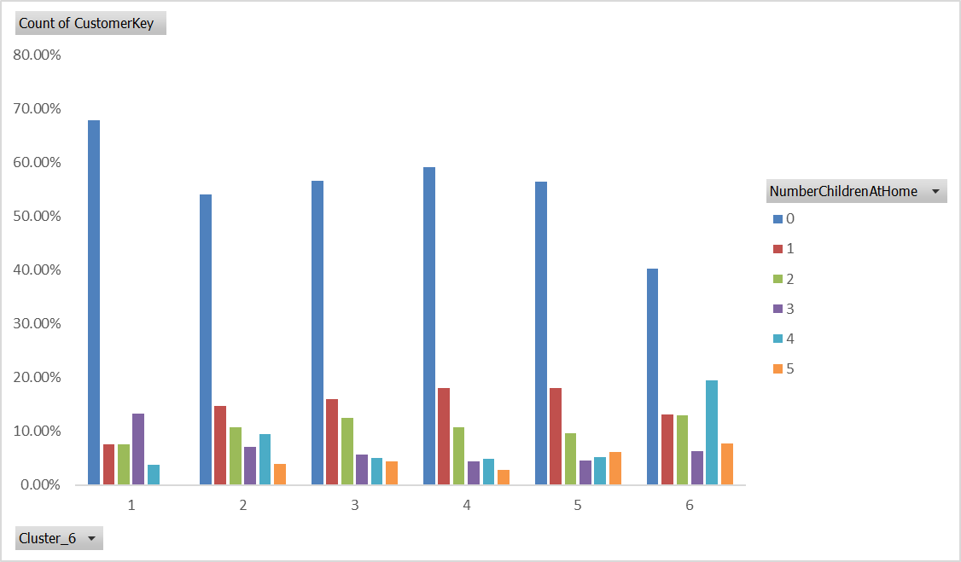
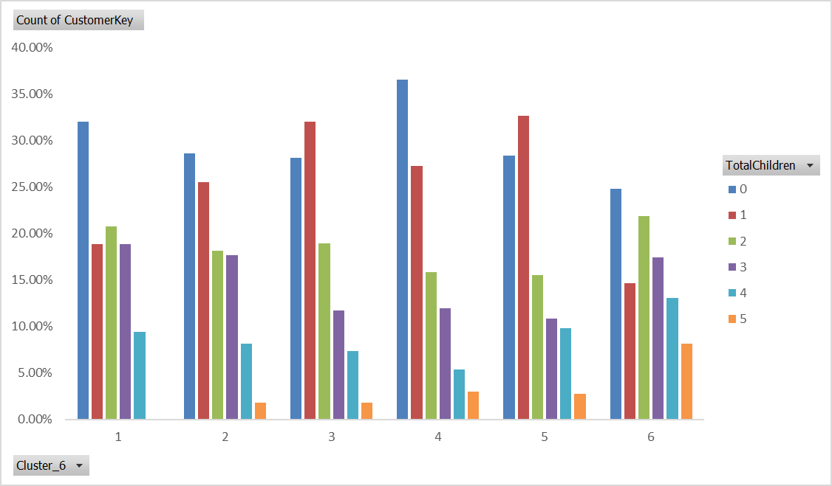
EnglishOccupation | (All)

Count of CustomerKey | Column Labels
Row Labels | 10000-19999 | 20000-29999 | 30000-39999 | 40000-49999 | 50000-59999 | 60000-69999 | 70000-79999 | 80000-89999 | 90000-99999 | 100000-109999 | 110000-119999 | 120000-129999 | 130000-139999 | 150000-159999 | 160000-170000 | Grand Total
1 | 16.98% | 32.08% | 50.94% | 0.00% | 0.00% | 0.00% | 0.00% | 0.00% | 0.00% | 0.00% | 0.00% | 0.00% | 0.00% | 0.00% | 0.00% | 100.00%
2 | 12.09% | 20.64% | 31.91% | 16.20% | 1.97% | 0.00% | 0.82% | 0.33% | 2.80% | 0.99% | 2.47% | 2.22% | 4.28% | 0.66% | 2.63% | 100.00%
3 | 11.34% | 18.66% | 32.58% | 27.11% | 1.03% | 0.93% | 0.21% | 0.31% | 0.31% | 0.31% | 0.00% | 0.31% | 3.09% | 1.75% | 2.06% | 100.00%
4 | 7.61% | 19.10% | 34.48% | 25.52% | 0.60% | 2.09% | 0.30% | 1.34% | 2.09% | 0.45% | 0.90% | 1.19% | 2.39% | 0.30% | 1.64% | 100.00%
5 | 6.46% | 19.56% | 33.21% | 27.68% | 0.37% | 0.92% | 0.00% | 0.74% | 0.92% | 0.18% | 0.74% | 0.92% | 3.32% | 1.11% | 3.87% | 100.00%
6 | 3.10% | 9.72% | 9.10% | 28.33% | 1.24% | 0.21% | 4.27% | 5.65% | 5.86% | 3.93% | 6.75% | 4.48% | 10.34% | 1.31% | 5.72% | 100.00%
Grand Total | 8.10% | 16.81% | 25.99% | 24.32% | 1.18% | 0.63% | 1.55% | 2.08% | 2.88% | 1.55% | 2.82% | 2.20% | 5.43% | 1.06% | 3.41% | 100.00%

 |  | Female |  | Male
34-38 |  | -237 |  | 253
39-43 |  | -454 |  | 501
44-48 |  | -610 |  | 634
49-53 |  | -351 |  | 308
54-58 |  | -328 |  | 310
59-63 |  | -201 |  | 214
64-68 |  | -96 |  | 131
69-73 |  | -134 |  | 98
74-78 |  | -19 |  | 20
89-93 |  | -1 |  | 2

 |  |  |  |  |  |  |  |  |  |  |  |  | Age |  | Female |  | Male
 |  |  |  |  |  |  |  |  |  |  |  |  | 34-38 |  | -237 |  | 253
 |  |  |  |  |  |  |  |  |  |  |  |  | 39-43 |  | -454 |  | 501
 |  |  |  |  |  |  |  |  |  |  |  |  | 44-48 |  | -610 |  | 634
 |  |  |  |  |  |  |  |  |  |  |  |  | 49-53 |  | -351 |  | 308
 |  |  |  |  |  |  |  |  |  |  |  |  | 54-58 |  | -328 |  | 310
 |  |  |  |  |  |  |  |  |  |  |  |  | 59-63 |  | -201 |  | 214
 |  |  |  |  | Cluster_6 | Count | Length | Frequency | Recency | Monetary | Final.cmt |  | 64-68 |  | -96 |  | 131
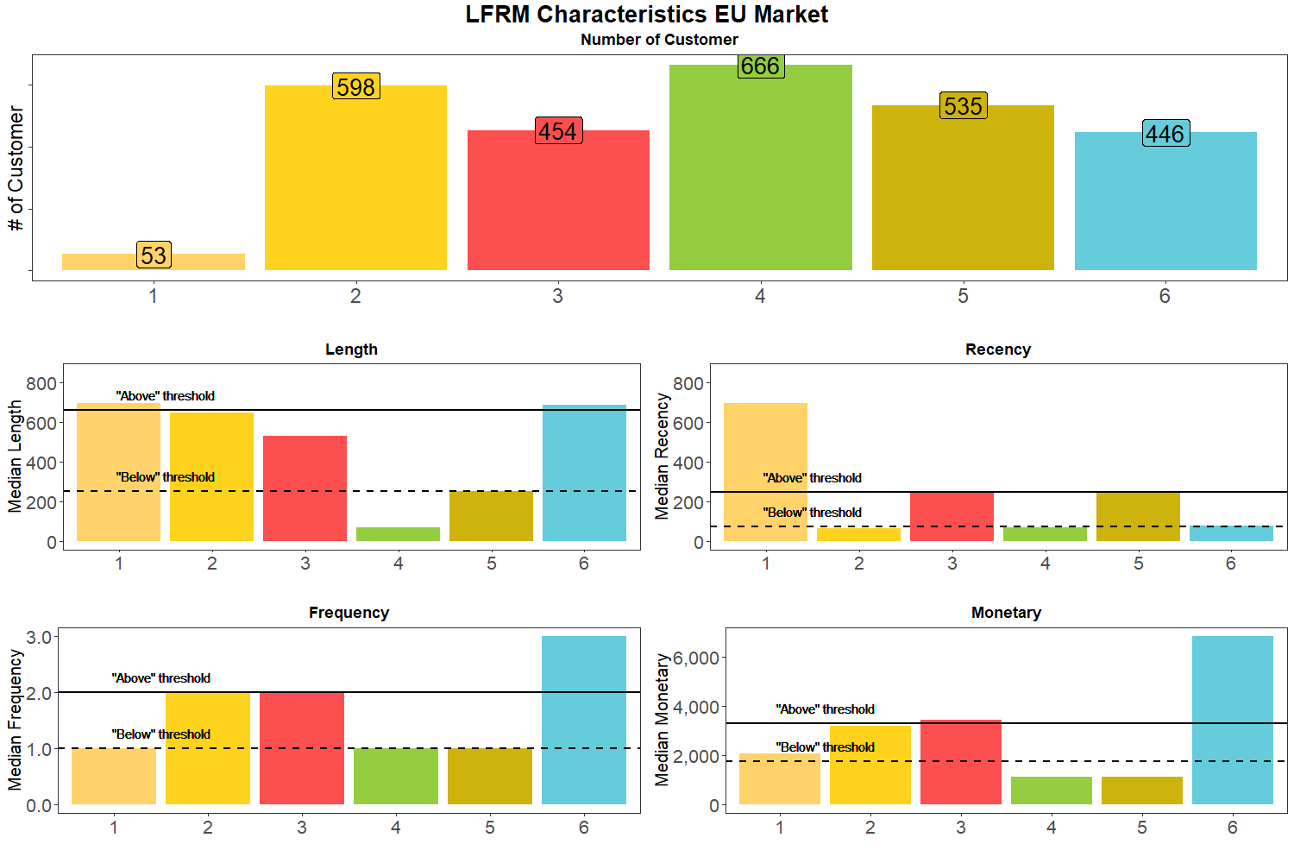
 |  |  |  | At risk | 1 | 53 | 693 | 1 | 693 | 2,071 | La Fb Ra Mm |  | 69-73 |  | -134 |  | 98
 |  |  |  |  | 2 | 598 | 648 | 2 | 66.5 | 3,213 | Lm Fm Rb Mm |  | 74-78 |  | -19 |  | 20
 |  |  |  |  | 3 | 454 | 527.5 | 2 | 242 | 3,444 | Lm Fm Rm Ma |  | 89-93 |  | -1 |  | 2
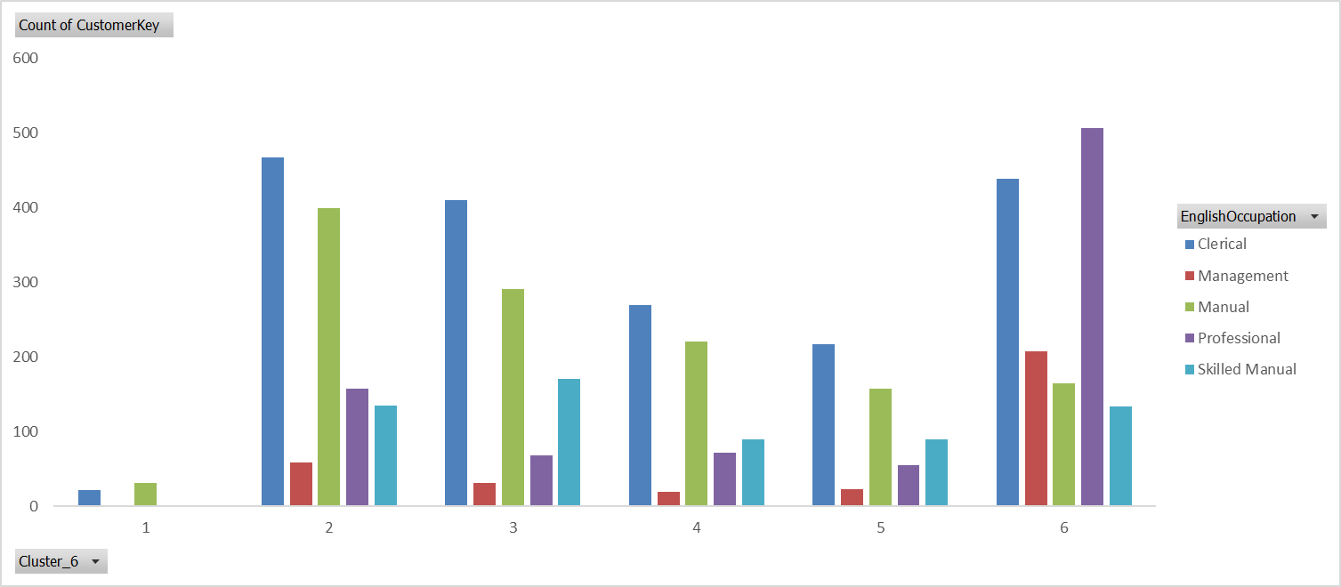
 |  |  |  |  | 4 | 666 | 68 | 1 | 68 | 1,120 | Lb Fb Rb Mb
 |  |  |  |  | 5 | 535 | 251 | 1 | 251 | 1,120 | Lb Fb Ra Mb
 |  |  |  |  | 6 | 446 | 687 | 3 | 78 | 6,861 | La Fa Rm Ma

 |  |  |  |  |  | 54%
 |  |  |  |  |  |  |  |  |  |  |  |  | La Fa Rb Ma

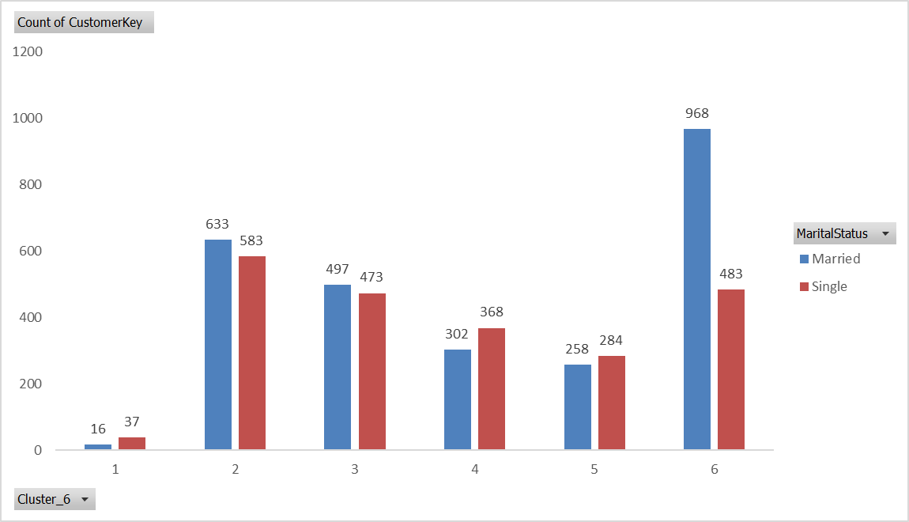

 |  |  |  |  |  | Good Customer Base |  |  |  | Married | 44-63 | House owner | 0 or 2 cars | commute either very near or very far
 |  |  |  |  |  | Cluster 6 - High income - Spend nhiều - Freq cao, Loyal |  |  |  | Professional (highest # managers across all clusters) |  | ~2 - 5 con | ~4 children stay at home
 |  |  |  |  |  | Cluster 2 cũng rất tốt - số lượng nhiều |  |  | ~ 2-3 con |  | 34-53 | House owner | 0-1 car
 |  |  |  |  |  | Cluster 3 cũng rất tốt - số lượng nhiều |  |  | ~2 con |  | 34-53 | House owner | 0-1 car

 |  |  |  |  |  | Clus 1 | At risk. Mua từ lâu but chưa quay lại. Spend tiền cũng kha khá
 |  |  |  |  |  | Clus 2 | Highly Potential loyal - Mua từ lâu và quay lại gần đây, Freq cũng cao và Monetary cũng gud
 |  |  |  |  |  | Clus 3 | Need more interaction with them. Mua từ lâu và sau đó quay lại, but hasn't recently --> K đc lose họ
 |  |  |  |  |  | Clus 4 | Potential customer. Recent buyer, nma vẫn chưa mua nhiều --> Interact with them to encourage more spending
 |  |  |  |  |  | Clus 5 | Need more attention
 |  |  |  |  |  | Clus 6 | Focus mạnh chăm sóc nhóm này

